Sheet1
Test Case ID |  | TC_Practical-001 | Test Case Desc | Test the functuionality of calculaterapplication
Created By |  | Shrutika Moharkar | Reviewed By | Ritika Ghogare |  | Version |  | 1.0
Tester's Name |  |  | Date Tested |  |  | Test Case Status (Passed/Failed/NE)

# | Prerequisites: |  |  | # | Test Data
1 | Windows OS |  |  | 1
2 | Notepad appilcation |  |  | 2
3 |  |  |  | 3
4 |  |  |  | 4

Test Scenario | Test entire functionality of windows Notepad Application.

Step # | Step Details |  | Expected Results | Actual Results |  |  | Pass / Fail / Not executed / Suspended
1 | Type ''Noteped" in Taskbar serch bpx |  | Erify that you see this application icon
2 | Click on the Notepad application |  | 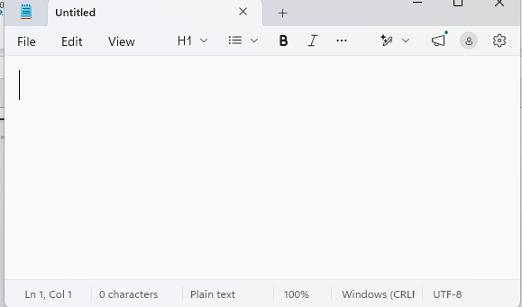 Verify that Notepad application is opened
3 | Type"Hello"on the blank tab |  | Verify you able to type on it
4 | Click on file menu |  | 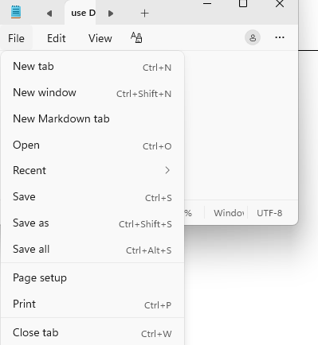 Verify that you see multipl menu optoin as ginen | S
5 | click on save as option. |  | 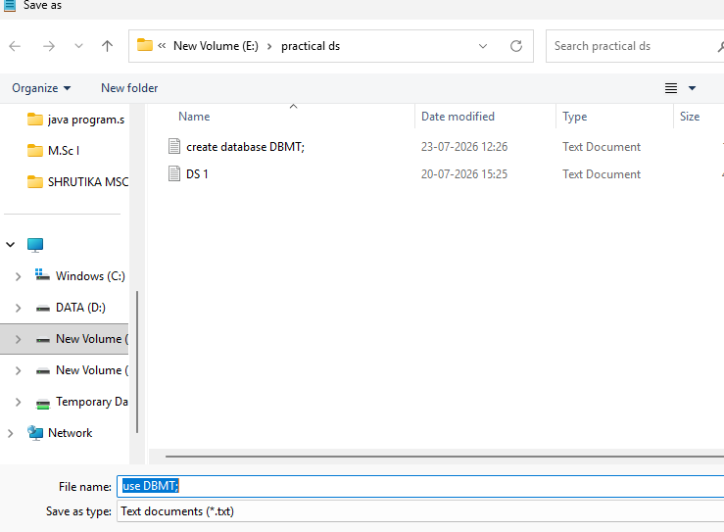 verify you are able to see the save as option and diaglog box to given name of file and save.
6 | select the folder in which you want to save the file. Given the name of file in file name option |  | Verify that the file save .For theis go to the "File" check the file namee shown in that folder
7 | Select the content . Click on ''edit menu'' click on font option |  | 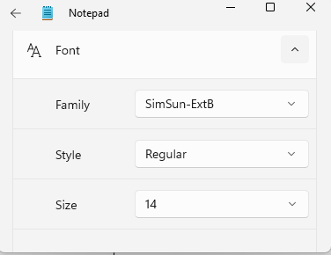 verify that you seen the tab.
8 | In the font section .click on family select the font family "calibri" |  | Verify that you see the font family changed.
9 | In the font section click on style select the font size "bold"
10 | Click Edit-> Time/date |  | 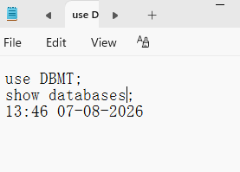 Verify the current date and time insertd.
11 | Click view->Zoom->zoom in |  | 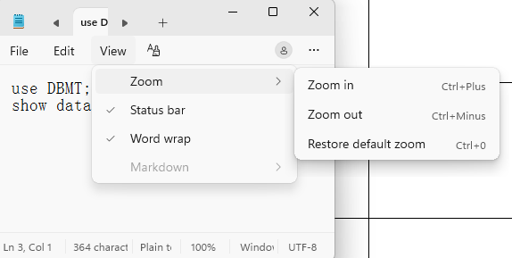 Verify the page zoomed in
12 | Click view->Zoom->zoom out |  | Verify the page zoomed out.
13 | click on table icon showing in the top center define the row an columns |  | 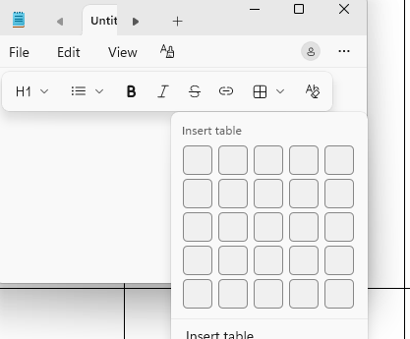 verify that the table of given size are see
14 | click on link icon showing in the top center |  | 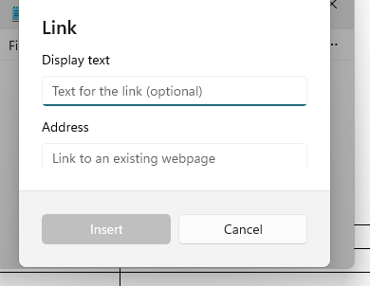 Verify this tab show
15 | In the link dialog box Enter the name of link "Github"and url addres i.e. link of github .then clikc insert. |  | verify the link shows whith the name we given
16 | click setting-> App theme->click on dark theme |  | verify the theme of notpad changed to dark.
17 | click of H1(Heading)_> Title |  | verify Heading style text will shwon
18 | click list option->Bulletted lost |  | verify thatnew tab will shown.
19 | click File-> new Tab |  | verify that new tab will shwon.
20 | click Edit -> line numbere.g 4 |  | verify that cursor will go to the line number 4

